Proposal Inputs

Proposal for:
Proposed by:

Inputs
# Trailers
Gallons/Month/Trailer
Price/Gallon | $4.29
% Projected Fuel Savings | 43%
Price per Trailer | $1,900.00
Maintenance cost per gallon
 |  | Residual Savings Starting Month ONE
Results |  | ONLY $159/mo for 12 months INTEREST FREE
Total Gallons All Trailers | 0 | Click Here to Buy Invisaflects Now
Monthly Reduced Fuel Cost | $0.00 | Or Speak With One Of Our Representatives
Annual Reduced Fuel Cost | $0.00
Annual Maintenance Savings | $0.00 | 319-550-2763
Carbon Savings (pounds) | 0 | www.HowToSaveDiesel.com
Investment | $0.00

Proposal


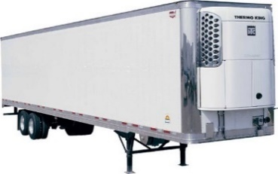

Here is your customized savings report prepared by: |  |  |  | 0

Company: | 0

How will Invisaflects impact the bottom line?
 |  |  | Per Year Savings | 7 Year Savings | 10 Year Savings
Overall savings |  |  | $0.00 | $0.00 | $0.00
Estimated maintenance savings |  |  | $0.00 | $0.00 | $0.00
Projected fuel savings |  |  | $0.00 | $0.00 | $0.00
Breakeven Point (Years) |  |  | #DIV/0!

What will be the environmental impact?
The projected amount of reduced carbon pollution from your company is: |  |  |  |  | Pounds of Carbon per Year
 |  |  |  |  | -

Some benefits are huge but hard to quantify.
What is the value of saying to the world that you eliminated that much pollution?
What will the impact on your maintenance costs each year now that the units run less?
How much increase lifespan will get from your trailers?
How many loads of product will be protected from spoilage because you insulated better?
While we cannot tell you exact numbers, it is clear that these benefits could be quite large!
Can we welcome you to the Invisaflects Family?


Data provide by your company in order to prepare this analysis for you
Average Price per Gallon |  | $4.29
Number of trailers in use |  | 0
Average Gallons/month/trailer |  | 0

